VM202
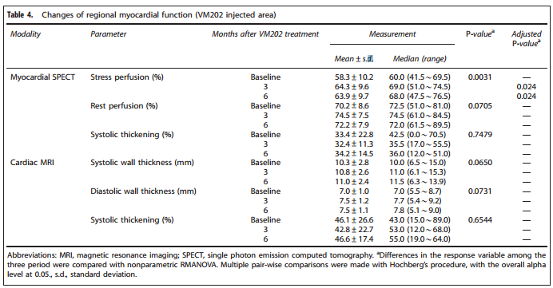
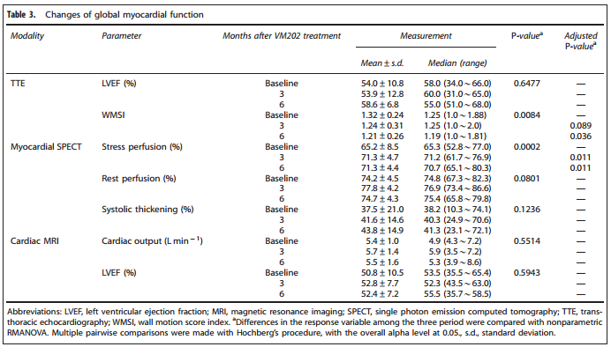
Main
 | Brand Name | VM202
 | Generic Name
 | Indications | Peripheral Artery Disease (Critical Limb Ischemia), Coronary Artery Disease, Painful Diabetic Peripheral Nephropathy, ALS
 | Mechanism | HGF-X7 cDNA expressed in a pCK vector
 | Molecule | HGF-X7 encodes two isoforms of HGF, HGF723 and HGF728
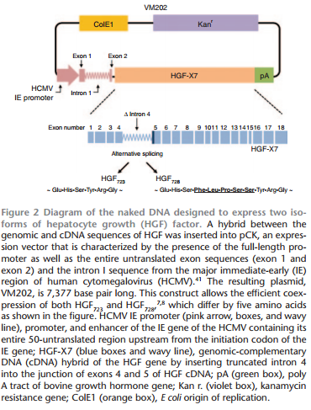

 | Administration | Intramuscular
 | Economics | Peripheral Artery Disease - Reyon Pharmaceutical Co. Ltd for Korea
 |  | Diabetic Peripheral Nephropathy - Reyon Pharmaceutical Co. Ltd for Korea
 |  | Coronary Artery Disease - Reyon Pharmaceutical Co. Ltd for Korea
 |  | ALS - JV with Reyon Pharmaceutical Co. Ltd for WW

 | IP | ODD for ALS

 | Competition | Collategene - HGF Plasmid in ph3 by AnGes/Vical

 | Clinical Trials

 | CAD | Phase 2 Safety and Efficacy in Ischemic Heart Failure
 |  | Planned for 2014 - Reyon Pharma to conduct

 | ALS | Phase 1/2 n=18 Safety study in ALS
 |  | NCT02039401
 |  | initiated Feb 2015, Expected completion March 2015
 |  | Primary Endpoint: number of subjects with serious and non-serious adverse events
 |  | Secondary Outcome measures: HGF serum levels, copies of VM202 in whole blood
 |  | Other outcome measures: ALSFR-S, Muscle Circumference, FVC, Muscle strength

 | CAD | Phase 1/2 n=12 Safety and Efficacy in Chronic Stable Angina
 |  | NCT01002495
 |  | Estimated completion date: Jan 2015
 |  | cather-based, endocardial injection of either 0.5mg, 1mg or 2mg
 |  | Efficacy measures include exercise treadmill test, SPECT, Cardiac MRI and change in use of anti-anginal medications

 | DPN | Phase 2 n=100 Double-Blind, Randomized, Placebo-Controlled Multicenter Sutdy to Assess the Safety and Efficacy of VM202 in Subjects with Painful Diabetic Peripheral Nephropathy
 |  | NCT01475786
 |  | Data expected Sept 2014; Study completed March 2014
 |  | 3 Cohorts: High dose (32 mg), low dose (16 mg), placebo
 |  | Primary Endpoint: average 24 hour pain score between baseline and the 6 month follow up
 |  | The difference in the mean change of the 24 hour pain score will be compared between the treatment groups and the placebo arm to determine treatment effect
 |  | Secondary Endpoint: VAS score, Daily Pain and Sleep Interference Diary Score, Brief Pain Inventory (BFI-SF), Patient's Global Impression of change, Michigan Neuropathy Screening Instrument (MNSI

 | PAD | Phase 2 n=52 Safety and Efficacy in patients with Critical Limb Ischhemia
 |  | Press release
 |  | NCT01064440
 |  | Randomized, Double-blind, placebo-controlled, multicenter study (US and Korea)
 |  | Patients w/ Rutherford class 4 (rest pain) and class 5 (ischemic ulceration not exceeding ulcer of the digits of the foot)
 |  | Low dose VM202 (8 mg total; n=21), high dose VM202 (16 mg total; n=20) or placebo (saline; n=11) IM injections into calf on days 0, 14, 28 and 42
 |  | Safety and efficacy evaluated over 12 months
 |  | Endpoints:
 |  | Number of patients with Ulcer healing (50% or more reduction) - high dose 7/8 (88%), low dose 10/13 (77%), placebo 1/5 (20%), p<0.05 for placebo vs high or low dose
 |  | Number of patients with improved Visual Analog Scale for pain at rest - high dose 14/20 (70%), low dose 11/21 (52%), placebo 4/11 (36%), p = not significant
 |  | Mean change in Ankle Brachial Index (baseline to 9 months) - high dose 0.095, low dose 0.052, placebo 0.0004, p= not significant
 |  | Transcutaneous Oxygen Pressure (TcPO2) Level - "significantly improved in high dose group vs low dose and vs placebo"
 |  | Safety:
 |  | # SAE reported - 7 high dose, 26 low dose and 19 placebo
 |  | One SAE, deep vein thrombosis, was probably drug related - did not disclose which cohort

 | PAD | Phase 2 Critical limb ischemia trial
 |  | Chinese trial, no information available

 | DPN | Phase 1/2 n=12 Open-label Dose-escalation Study in Patients w/ Painful Diabetic Peripheral Neuropathy
 |  | PMCID: PMC3677315
 |  | NCT01002235
 |  | Cohort 1 (4mg), Cohort 2 (8mg) and Cohort 3 (16mg) received 2 sets of VM202 injections 2 weeks apart
 |  | 9 of 12 patients were on concomitant pain medications for the management of DPN
 |  | Endpoints:
 |  | Visual Analog Scale for pain (VAS)
 |  | Short form McGill Pain Questionaires (SF-MPQ)

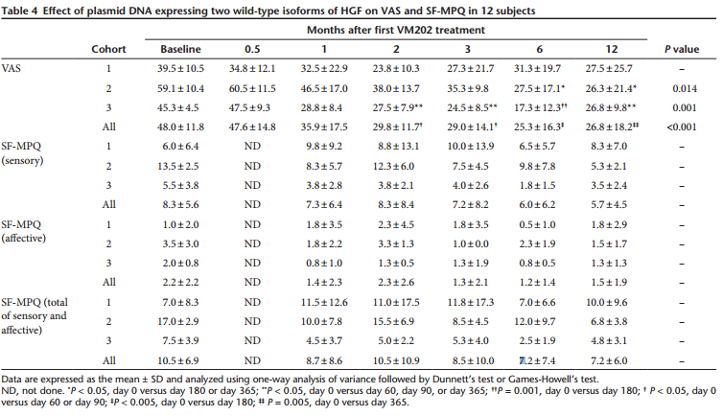
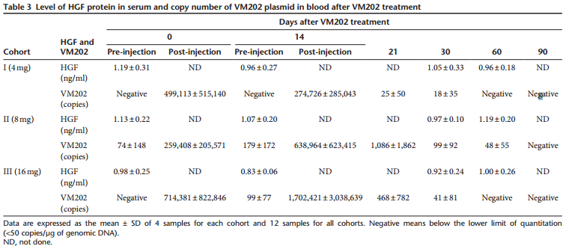

 | PAD | Phase 1 n=12 Safety Study in Lower Leg Ischemia
 |  | PMID: 21430785
 |  | NCT00696124
 |  | 2mg, 4mg, 8mg, 16mg arms; First half of total dose given on day 1, second half on day 15. n= 3 for each cohort; 3 withdrew - 1 no longer met inclusion criteria, 1 unstable angina, 1 ucler healed before baseline injection
 |  | Median ABI increased from 0.35 to 0.45 (p=0.015) at 3 months, to 0.49 (p=0.014) at 6 months, to 0.52 at the 12 month follow up for all cohorts
 |  | The median value of TCPO2 showed a positive trend from 38.5 to 42 and 46 mm Hg at 6 and 12 months, but did not reach significance
 |  | 9/11 patients experienced pain reduction at 6 months and median visual analog scale decreased from 57.5 mm at baseline to 38.5 mm at 3 months (p= ns) to 16.0 mm (p=0.03) at 6 months to 44 mm at 12 months (p = ns)
 |  | 13 ulcers were tracked in 8 patients; 9 were completely healed and remained healed to the end of the study (p=0.015); 7 of 8 patients noted a net decrease in ulcer size

 |  | Cohort 1 = 2mg, Cohort 2 = 4mg, Cohort 3 = 8mg, Cohort 4 = 16mg

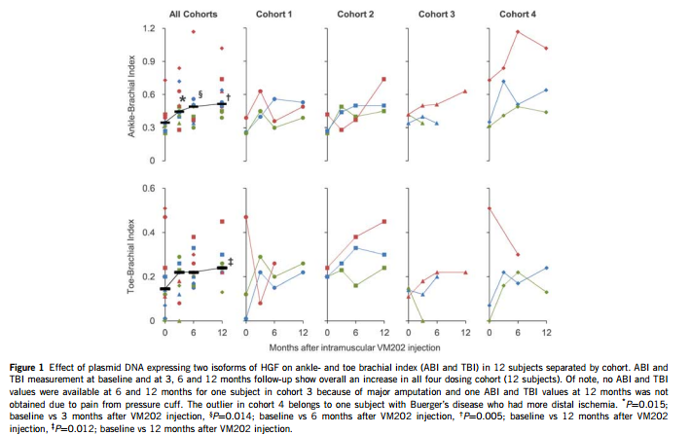
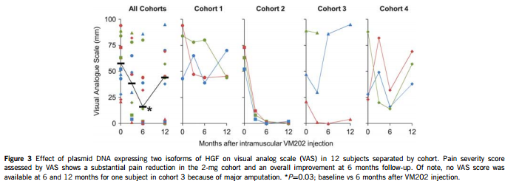

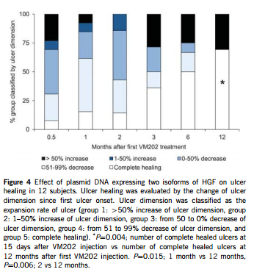

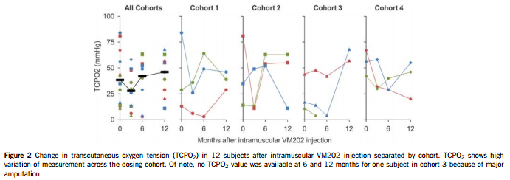

 | PAD | Phase 1 n=21 in Critical Limb Ischemia
 |  | Chinese trial
 |  | -43.1 VAS, +0.14 ABI

 | CAD | Phase 1 n=9 Safety Study of Gene Therapy for Ischemic Heart Disease in Korea
 |  | Phase 1 n=9 Safety Study of Gene Therapy for Ischemic Heart Disease in Korea
 |  | PMID: 23151518
 |  | Cohort 1 (0.5mg), Cohort 2 (1mg), Cohort 3 (2mg)
 |  | All patients expected to undergo Coronary Artery Bypass Graft before treatment
 |  | No statistical change on left ventricular ejection fraction (LVEF) on TTE throughout the 6-month follow up period (p=0.6477)

